Sheet1
 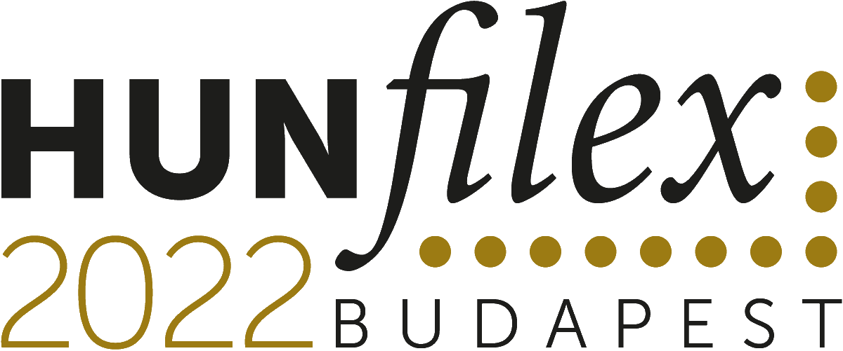 Specialized Word Stamp Championship Philatelic Literature Exhibit Information Form
31.03 - 03.04 2022

Contents: Please attach a copy of the contents page, preferably in English in addition to the published language. Additional information e.g. preface, introductory page, etc., would be very useful.

Author(s)

Exhibitor(s) (if different from Authors)

Title (in original language)

Publisher (where to order)

Year of publication /of current version |  |  | Edition /1st, 2nd, 3rd, etc.

Number of pages | Format (width x height, in cm) |  |  |  | Language

Frequency of publication (periodical only) |  |  |  |  | ISBN/ISSN

Price (Euro or USD) |  | Quantity printed |  | Medium (paper/digital)

If digital, how will it be made available to HUNFILEX 2022. Please also supply website log in details for full access.

Brief description (in English up to 50 words)

Exhibitor's Signature |  |  | Date (DD/MM/YYYY)

Three copies of this form are required. 1st original - National Commissioner 2nd - Jury 3rd - Exhibitor

